Ikuko Wada Cascadia
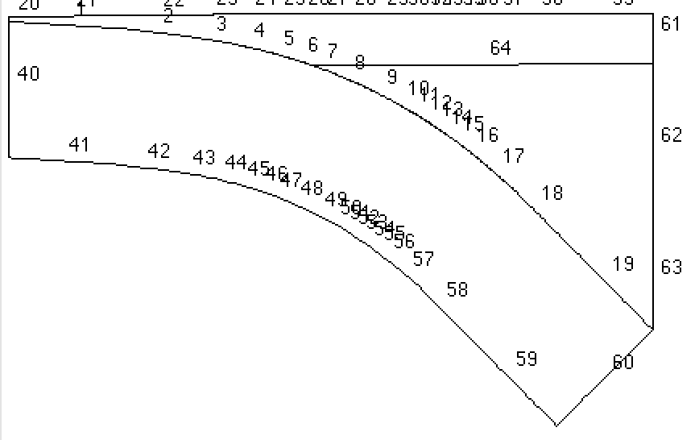

Slab surface is piece-wise constant and is described by 20 points from (0,-5.104193) to (449.929025,-220.596445).
Moho at inflow is at (450,-35) and connects to slab at (209.967545, -35.106587)
In/flow outflow transition is at 156 km depth

GDH1 inflow boundary condition (I read this from a file so that I know I have the same b.c.) |  |  |  | file=inst_ob
CC heat flow profile for outflow boundary (also read from file) |  |  |  | file=inst_cb

slab speed | 43 mm/yr
Crustal heating | 1.3e-6 W/m3 | from surface to 15 km depth
 | 0.4e-6 W/m3 | from 15km to 35 km depth
wet Ol rheology | E=430 kJ/mole | n=3.0 | Limits are imposed by 1) set edot to a minimum of 1e-20 1/s.
 | A=(3.90625e-15)^(-1/n) |  | 2) minimum viscosity is 1e12 Pa.s; maximum viscosity is 1e30 Pa.s.

Picard iteration to steady state
Base sepran reproduction is in |  | /skye/work/pvankeken/legato/work5/keken/subduction/Syracuse/like_WW09/layer/1-Cascadia8Ma_GDH1_novar/steady_Ol
In this model I do not prescribe velocity at the base of the slab
Velocity in the slab is computed by a single Stokes solution with constant viscosity
Picard iteration with relaxation (0.5); convergence criterion is relative difference between successive steps is < 1e-8 for both Stokes and heat.

p 1 =(0.000000,-5.104193,1)
p 2 =(80.990963,-10.134591,1)
p 3 =(122.986142,-15.154035,1)
p 4 =(153.981059,-20.127190,1)
p 5 =(176.975678,-25.317997,1)
p 6 =(194.971387,-30.285819,1)
p 7 =(209.967545,-35.106587,1)
p 8 =(223.963189,-40.215978,1)
p 9 =(247.957734,-50.471629,1)
p10 =(267.952341,-60.598913,1)
p11 =(276.449897,-65.517543,1)
p12 =(284.947802,-70.437296,0.5)
p13 =(292.445730,-75.280992,0.5)
p14 =(299.943832,-80.125735,0.5)
p15 =(307.441964,-85.469436,1)
p16 =(314.940324,-90.813242,1)
p17 =(326.936633,-100.118360,1)
p18 =(350.931768,-120.862105,1)
p19 =(380.929025,-151.077445,3)

